Sheet1
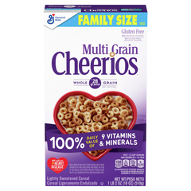
 | C:\Users\g654674\OneDrive - General Mills\Work_OneDrive\PGI\Joy\Product Images\selections\0016000123991_0.jpg
 | C:\Users\g654674\OneDrive - General Mills\Work_OneDrive\PGI\Joy\Product Images\selections\0016000163461_2.jpg
 | C:\Users\g654674\OneDrive - General Mills\Work_OneDrive\PGI\Joy\Product Images\selections\0016000168756_0.jpg
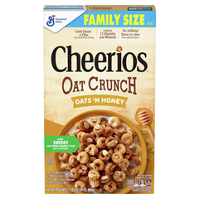
 | C:\Users\g654674\OneDrive - General Mills\Work_OneDrive\PGI\Joy\Product Images\selections\0016000169364_5.jpg

 | C:\Users\g654674\OneDrive - General Mills\Work_OneDrive\PGI\Joy\Product Images\selections\0016000169395_3.jpg

 | C:\Users\g654674\OneDrive - General Mills\Work_OneDrive\PGI\Joy\Product Images\selections\0016000169630_2.jpg
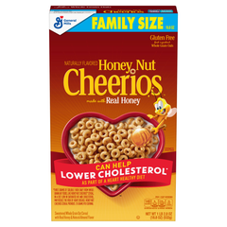
 | C:\Users\g654674\OneDrive - General Mills\Work_OneDrive\PGI\Joy\Product Images\selections\0016000169685_7.jpg
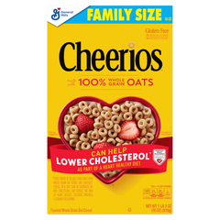
 | C:\Users\g654674\OneDrive - General Mills\Work_OneDrive\PGI\Joy\Product Images\selections\0016000170032_0.jpg
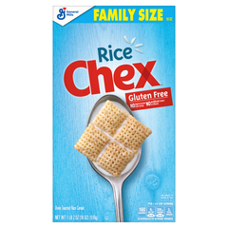
 | C:\Users\g654674\OneDrive - General Mills\Work_OneDrive\PGI\Joy\Product Images\selections\0016000171022_1.jpg
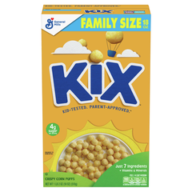
 | C:\Users\g654674\OneDrive - General Mills\Work_OneDrive\PGI\Joy\Product Images\selections\0016000171046_5.jpg
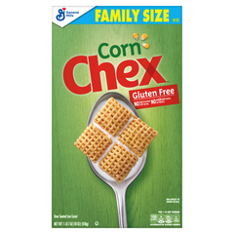
 | C:\Users\g654674\OneDrive - General Mills\Work_OneDrive\PGI\Joy\Product Images\selections\0016000171084_8.jpg
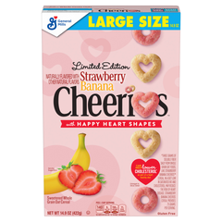
 | C:\Users\g654674\OneDrive - General Mills\Work_OneDrive\PGI\Joy\Product Images\selections\0016000185173_0.jpg

 | C:\Users\g654674\OneDrive - General Mills\Work_OneDrive\PGI\Joy\Product Images\selections\0016000185173_9.jpg

 | C:\Users\g654674\OneDrive - General Mills\Work_OneDrive\PGI\Joy\Product Images\selections\0016000275324_2.jpg
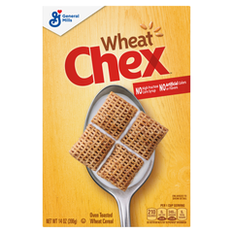
 | C:\Users\g654674\OneDrive - General Mills\Work_OneDrive\PGI\Joy\Product Images\selections\0016000275492_10.jpg
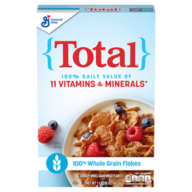
 | C:\Users\g654674\OneDrive - General Mills\Work_OneDrive\PGI\Joy\Product Images\selections\0016000275638_0.jpg
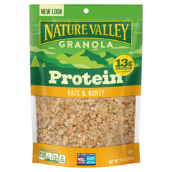
 | C:\Users\g654674\OneDrive - General Mills\Work_OneDrive\PGI\Joy\Product Images\selections\0016000437791_7.jpg
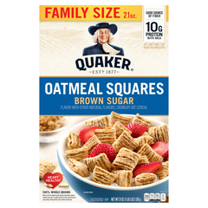
 | C:\Users\g654674\OneDrive - General Mills\Work_OneDrive\PGI\Joy\Product Images\selections\0030000064030_0.jpg
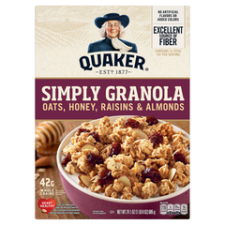
 | C:\Users\g654674\OneDrive - General Mills\Work_OneDrive\PGI\Joy\Product Images\selections\0030000572436_2.jpg

 | C:\Users\g654674\OneDrive - General Mills\Work_OneDrive\PGI\Joy\Product Images\selections\0038000198786_3.jpg

 | C:\Users\g654674\OneDrive - General Mills\Work_OneDrive\PGI\Joy\Product Images\selections\0038000199042_1.jpg

 | C:\Users\g654674\OneDrive - General Mills\Work_OneDrive\PGI\Joy\Product Images\selections\0038000199752_0.jpg

 | C:\Users\g654674\OneDrive - General Mills\Work_OneDrive\PGI\Joy\Product Images\selections\0038000199943_12.jpg

 | C:\Users\g654674\OneDrive - General Mills\Work_OneDrive\PGI\Joy\Product Images\selections\0038000262500_9.jpg
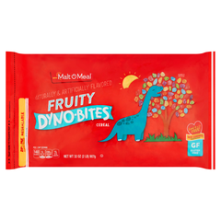
 | C:\Users\g654674\OneDrive - General Mills\Work_OneDrive\PGI\Joy\Product Images\selections\0042400388876_1.jpg
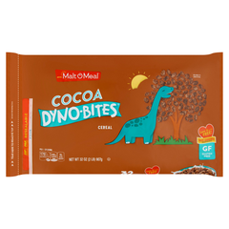
 | C:\Users\g654674\OneDrive - General Mills\Work_OneDrive\PGI\Joy\Product Images\selections\0042400388883_5.jpg
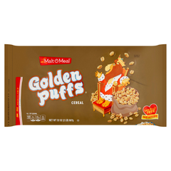
 | C:\Users\g654674\OneDrive - General Mills\Work_OneDrive\PGI\Joy\Product Images\selections\0042400389170_5.jpg
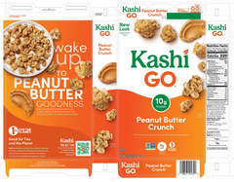
 | C:\Users\g654674\OneDrive - General Mills\Work_OneDrive\PGI\Joy\Product Images\selections\018627101390_0.jpg
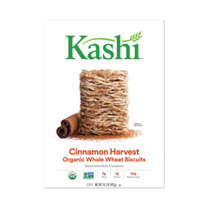
 | C:\Users\g654674\OneDrive - General Mills\Work_OneDrive\PGI\Joy\Product Images\selections\018627703174_5.jpg
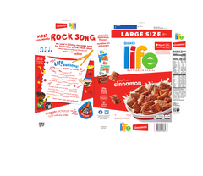
 | C:\Users\g654674\OneDrive - General Mills\Work_OneDrive\PGI\Joy\Product Images\selections\030000060834_0.jpg
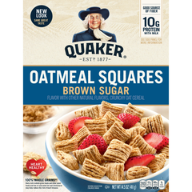
 | C:\Users\g654674\OneDrive - General Mills\Work_OneDrive\PGI\Joy\Product Images\selections\030000064412_1.jpg
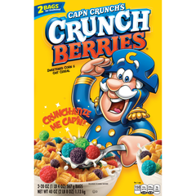
 | C:\Users\g654674\OneDrive - General Mills\Work_OneDrive\PGI\Joy\Product Images\selections\030000437698_0.jpg
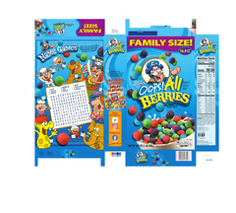
 | C:\Users\g654674\OneDrive - General Mills\Work_OneDrive\PGI\Joy\Product Images\selections\030000573297_0.jpg
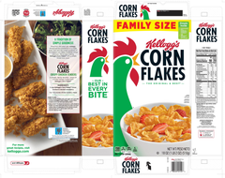
 | C:\Users\g654674\OneDrive - General Mills\Work_OneDrive\PGI\Joy\Product Images\selections\038000001208_0.jpg
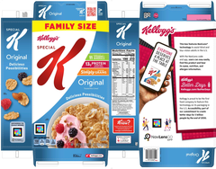
 | C:\Users\g654674\OneDrive - General Mills\Work_OneDrive\PGI\Joy\Product Images\selections\038000016219_0.jpg
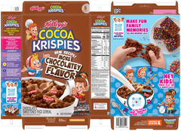
 | C:\Users\g654674\OneDrive - General Mills\Work_OneDrive\PGI\Joy\Product Images\selections\038000198595_0.jpg
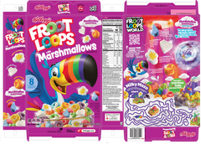
 | C:\Users\g654674\OneDrive - General Mills\Work_OneDrive\PGI\Joy\Product Images\selections\038000198915_0.jpg
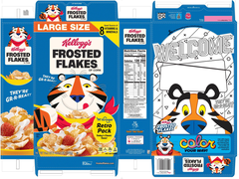
 | C:\Users\g654674\OneDrive - General Mills\Work_OneDrive\PGI\Joy\Product Images\selections\038000199066_0.jpg
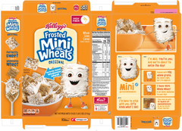
 | C:\Users\g654674\OneDrive - General Mills\Work_OneDrive\PGI\Joy\Product Images\selections\038000199349_0.jpg
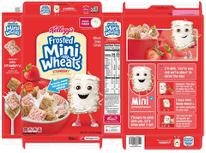
 | C:\Users\g654674\OneDrive - General Mills\Work_OneDrive\PGI\Joy\Product Images\selections\038000199462_0.jpg
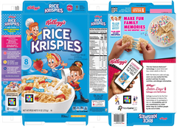
 | C:\Users\g654674\OneDrive - General Mills\Work_OneDrive\PGI\Joy\Product Images\selections\038000199929_0.jpg
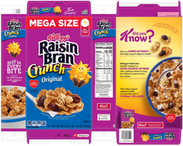
 | C:\Users\g654674\OneDrive - General Mills\Work_OneDrive\PGI\Joy\Product Images\selections\038000270826_0.jpg

 | C:\Users\g654674\OneDrive - General Mills\Work_OneDrive\PGI\Joy\Product Images\selections\042400148623_1.jpg
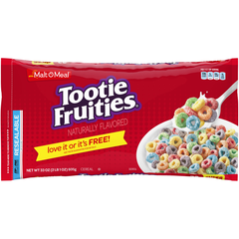
 | C:\Users\g654674\OneDrive - General Mills\Work_OneDrive\PGI\Joy\Product Images\selections\042400148647_0.jpg

 | C:\Users\g654674\OneDrive - General Mills\Work_OneDrive\PGI\Joy\Product Images\selections\042400240518_4.jpg
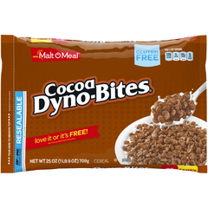
 | C:\Users\g654674\OneDrive - General Mills\Work_OneDrive\PGI\Joy\Product Images\selections\042400318651_0.jpg

 | C:\Users\g654674\OneDrive - General Mills\Work_OneDrive\PGI\Joy\Product Images\selections\042400910787_0.jpg
 | C:\Users\g654674\OneDrive - General Mills\Work_OneDrive\PGI\Joy\Product Images\selections\058449162070_0.jpg
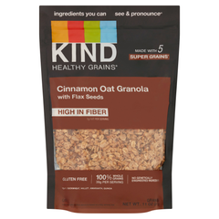
 | C:\Users\g654674\OneDrive - General Mills\Work_OneDrive\PGI\Joy\Product Images\selections\0602652171840_3.jpg
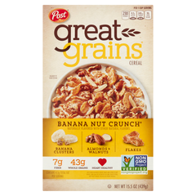
 | C:\Users\g654674\OneDrive - General Mills\Work_OneDrive\PGI\Joy\Product Images\selections\0884912116505_0.jpg
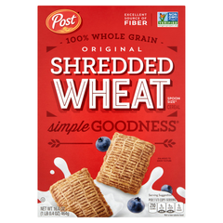
 | C:\Users\g654674\OneDrive - General Mills\Work_OneDrive\PGI\Joy\Product Images\selections\0884912180629_4.jpg
 | C:\Users\g654674\OneDrive - General Mills\Work_OneDrive\PGI\Joy\Product Images\selections\602652171826_0.jpg
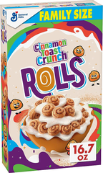
 | C:\Users\g654674\OneDrive - General Mills\Work_OneDrive\PGI\Joy\Product Images\selections\8167oSJ5FLL._AC_SX679_.jpg
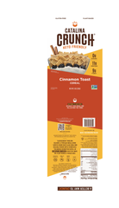
 | C:\Users\g654674\OneDrive - General Mills\Work_OneDrive\PGI\Joy\Product Images\selections\860479001522_0.jpg
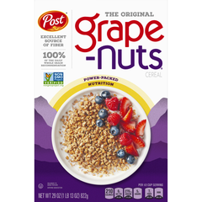
 | C:\Users\g654674\OneDrive - General Mills\Work_OneDrive\PGI\Joy\Product Images\selections\884912004727_3.jpg
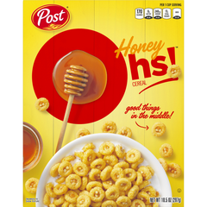
 | C:\Users\g654674\OneDrive - General Mills\Work_OneDrive\PGI\Joy\Product Images\selections\884912006202_0.jpg

 | C:\Users\g654674\OneDrive - General Mills\Work_OneDrive\PGI\Joy\Product Images\selections\884912006721_0.jpg

 | C:\Users\g654674\OneDrive - General Mills\Work_OneDrive\PGI\Joy\Product Images\selections\884912117625_5.jpg
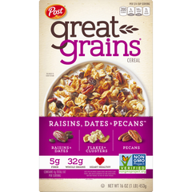
 | C:\Users\g654674\OneDrive - General Mills\Work_OneDrive\PGI\Joy\Product Images\selections\884912126115_0.jpg
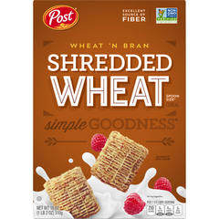
 | C:\Users\g654674\OneDrive - General Mills\Work_OneDrive\PGI\Joy\Product Images\selections\884912180599_4.jpg

 | C:\Users\g654674\OneDrive - General Mills\Work_OneDrive\PGI\Joy\Product Images\selections\884912273116_5.jpg
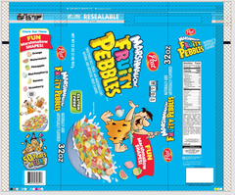
 | C:\Users\g654674\OneDrive - General Mills\Work_OneDrive\PGI\Joy\Product Images\selections\884912346513_1.jpg
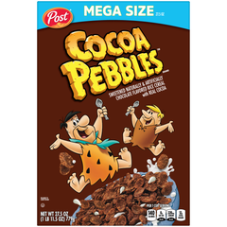
 | C:\Users\g654674\OneDrive - General Mills\Work_OneDrive\PGI\Joy\Product Images\selections\884912356185_2.jpg
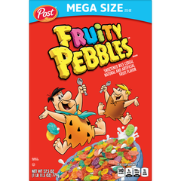
 | C:\Users\g654674\OneDrive - General Mills\Work_OneDrive\PGI\Joy\Product Images\selections\884912356192_5.jpg

